BUDGET
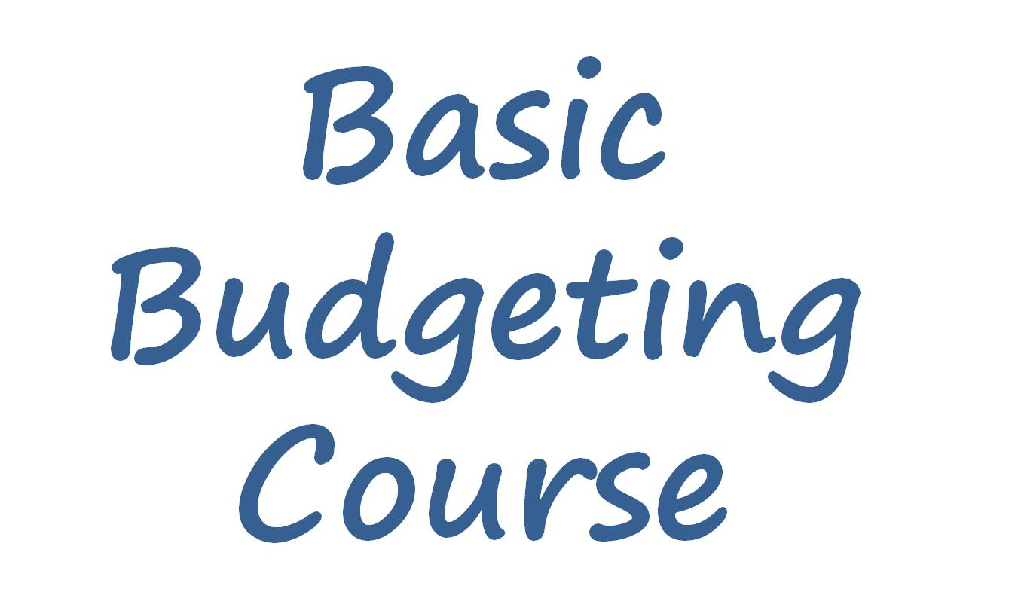 Basic Budgeting Course: Steve and Joanna

 |  |  |  |  |  | How often is it paid?
Income Type |  | Amount | How often is it paid? | When is it paid? | Total Monthly Amount | Weekly
Steve's salary |  | $1,250.00 | Monthly |  | $1,250.00 | Biweekly
Joanna's Babysitting Income |  | $146.20 | Biweekly |  | $316.77 | Monthly
Child benefit |  | $20.70 | Weekly |  | $89.70 | 4-weekly
 |  |  | TOTAL INCOME |  | $1,656.47 | Annually

Expenditure details | Weekly Payments | Regular Monthly Payments | How do I pay | Saving for Annual Bills (Full amount) | Total Monthly Amount | Standing Order
Rent/ mortgage |  | $405.00 | Direct Debit |  | $405.00 | Direct Debit
Property Tax |  | $93.00 | Direct Debit |  | $93.00 | Phone
Other Secured loan |  | $98.00 | Direct Debit |  | $98.00 | Card
Gas |  | $25.00 | Direct Debit |  | $25.00 | Cash
Electricity |  | $40.00 | Direct Debit |  | $40.00
Water |  | $36.00 | Direct Debit |  | $36.00
Home phone |  | $23.95 | Cheque |  | $23.95
Mobile phone |  | $50.00 | Direct Debit |  | $50.00
Car Insurance |  |  | Cheque | $675.00 | $56.25
Vehicle tax |  |  | Cheque | $120.00 | $10.00
Fuel | $35.00 |  | Card |  | $151.67
Parking charges or tolls | $7.80 |  | Cash |  | $33.80
Food and milk | $95.00 |  | Card |  | $411.67
Cleaning and toiletries | $24.00 |  | Cash |  | $104.00
Newspapers and magazines | $7.00 |  | Cash |  | $30.33
Cigarettes, tabacco | $25.00 |  | Cash |  | $108.33
Alcohol | $10.00 |  | Cash |  | $43.33
Health (dentist, glasses, prescriptions, health ins) |  | $40.00 | Direct Debit |  | $40.00
Hairdressing / haircuts |  | $55.00 | Cash |  | $55.00
Cable, Satellite and Internet |  | $70.00 | Direct Debit |  | $70.00
Meals at work | $25.00 |  | Cash |  | $108.33
Lottery & pools etc | $5.00 |  | Cash |  | $21.67
Hobbies / leisure/ sports | $40.00 |  | Card |  | $173.33
Gifts (Christmas, birthdays, charity etc) |  |  | Card | $720.00 | $60.00
 |  |  |  | This is a future payment that needs saving for each month
 |  |  |  | TOTAL EXPENDITURE | $2,248.67

Summary
Total Monthly Income | $1,656.47 |  |  | Total Weekly Cash
Total Monthly Expenditure | $2,248.67 |  |  | Total Monthly Payments
Surplus or Deficit? | -$592.20 |  |  | Total Saving for Annual Bills

